Sheet1
IMAGE | SKU | PRODUCT NAME | COLOUR | SIZE | QUANTITY
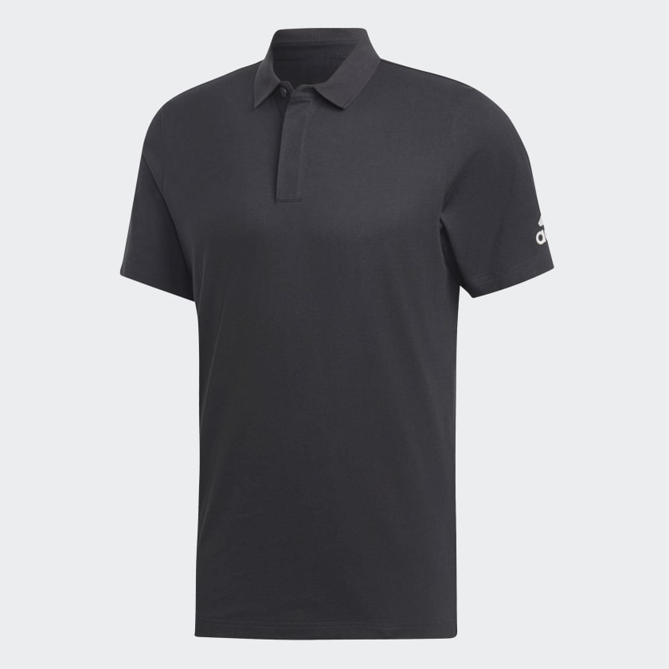

 |  |  |  | S | 82
 |  |  |  | M | 187
 | DT9911 | Adidas Men's Pain Black Short Sleeve Polo | BLACK | L | 246
 |  |  |  | XL | 176
 |  |  |  | XXL | 71
 |  |  |  | Total: | 762

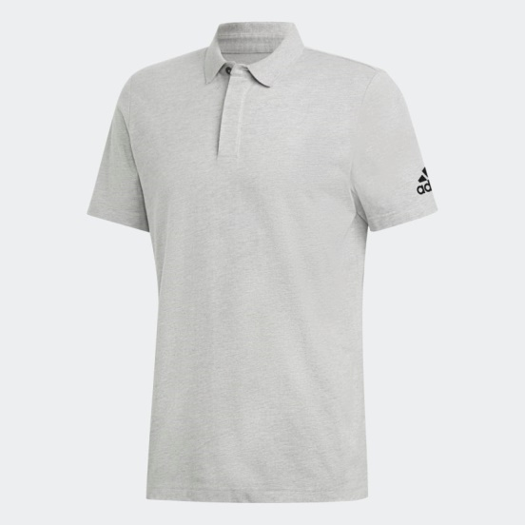

 |  |  |  | S | 53
 |  |  |  | M | 169
 | DT9898 | Adidas Men's Pain Medium Grey Heather Short Sleeve Polo | GREY | L | 267
 |  |  |  | XL | 197
 |  |  |  | XXL | 71
 |  |  |  | Total: | 757

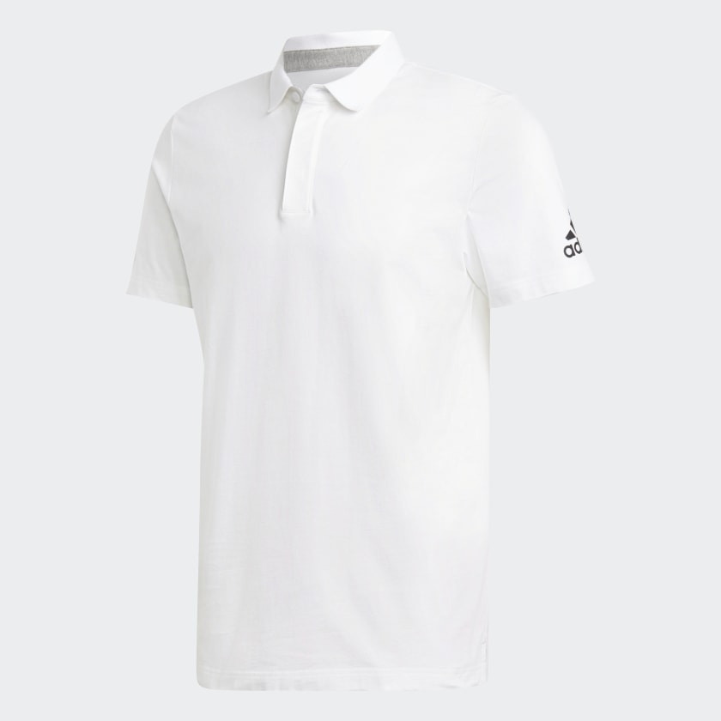

 |  |  |  | S | 100
 |  |  |  | M | 124
 | DQ1450 | Adidas Men's Pain White Short Sleeve Polo | WHITE | L | 300
 |  |  |  | XL | 198
 |  |  |  | XXL | 88
 |  |  |  | Total: | 810

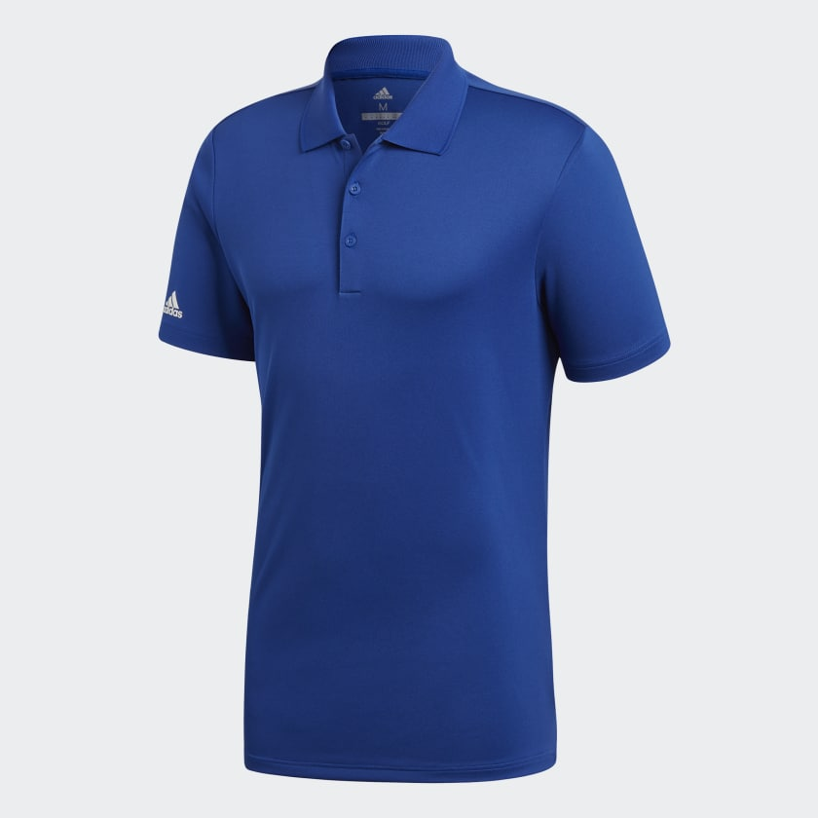

 |  |  |  | S | 84
 |  |  |  | M | 169
 | CF9353 | Adidas Men's Performance Collegiate Royal Short Sleeve Polo | BLUE | L | 261
 |  |  |  | XL | 166
 |  |  |  | XXL | 73
 |  |  |  | Total: | 753

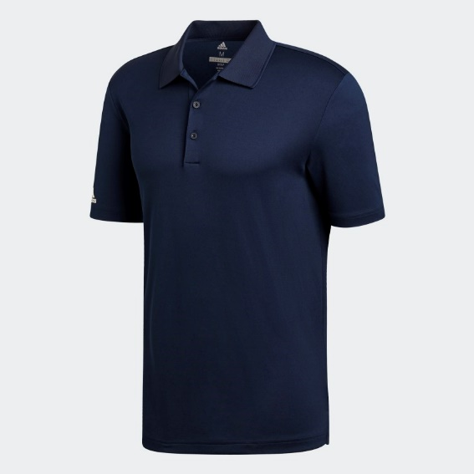

 |  |  |  | S | 83
 |  |  |  | M | 158
 | CD3324 | Adidas Men's Performance Collegiate Navy Short Sleeve Polo | NAVY | L | 223
 |  |  |  | XL | 149
 |  |  |  | XXL | 73
 |  |  |  | Total: | 686

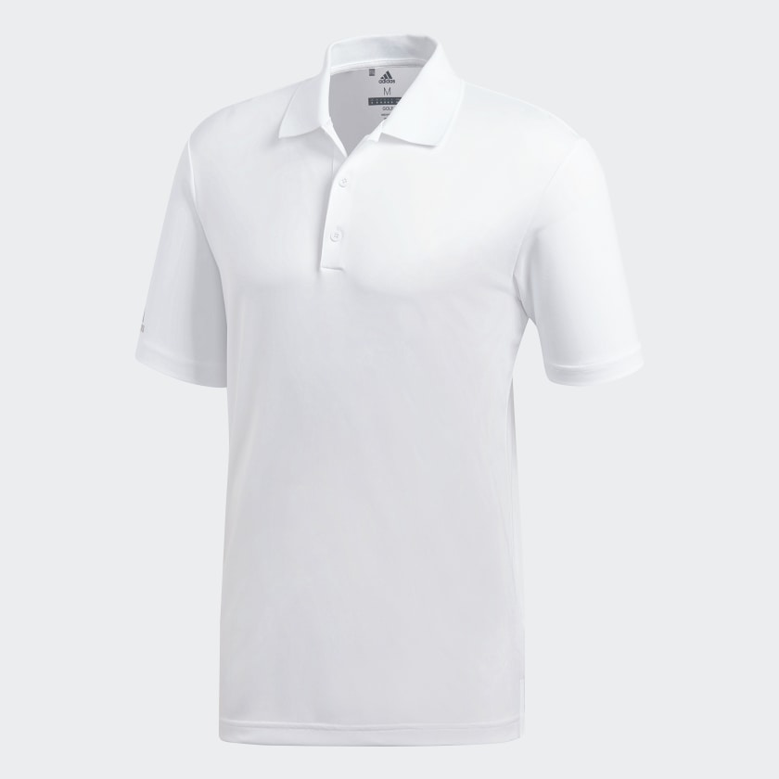

 |  |  |  | S | 58
 |  |  |  | M | 124
 | CD3321 | Adidas Men's Performance White Short Sleeve Polo | WHITE | L | 200
 |  |  |  | XL | 136
 |  |  |  | XXL | 66
 |  |  |  | Total: | 584

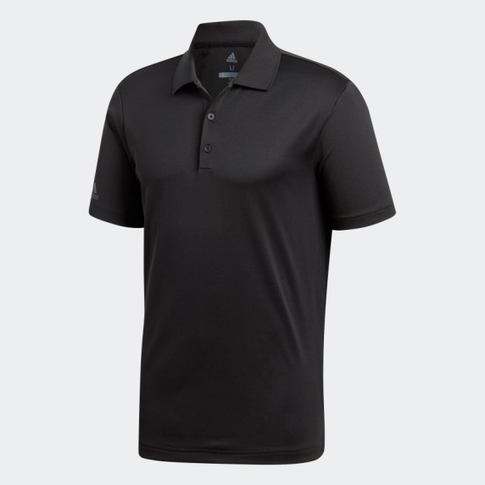

 |  |  |  | S | 74
 |  |  |  | M | 157
 | CY5953 | Adidas Men's Performance Black Short Sleeve Polo | BLACK | L | 259
 |  |  |  | XL | 176
 |  |  |  | XXL | 68
 |  |  |  | Total: | 734

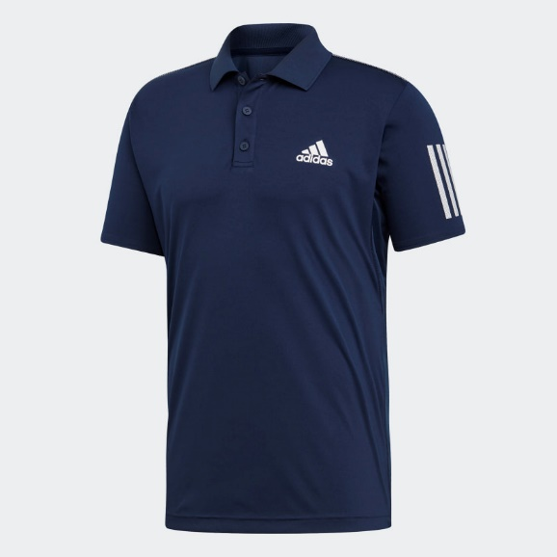

 |  |  |  | S | 51
 |  |  |  | M | 88
 | DU0850 | Adidas Originals Men's 3-Stipe Club Navy Short Sleeve Polo | NAVY | L | 120
 |  |  |  | XL | 62
 |  |  |  | XXL | 13
 |  |  |  | Total: | 334

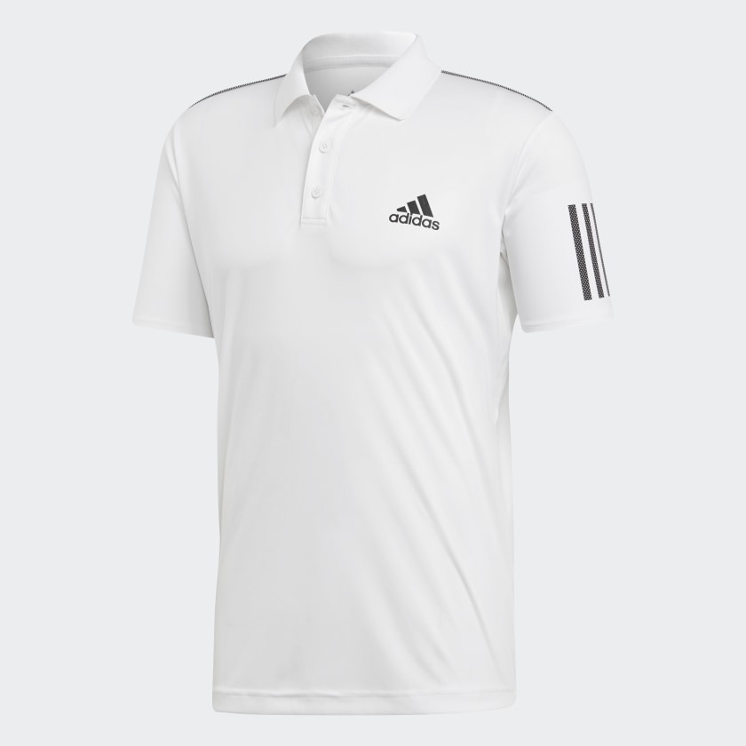

 |  |  |  | S | 54
 |  |  |  | M | 97
 | DU0849 | Adidas Originals Men's 3-Stipe Club White Short Sleeve Polo | WHITE | L | 179
 |  |  |  | XL | 65
 |  |  |  | XXL | 30
 |  |  |  | Total: | 425

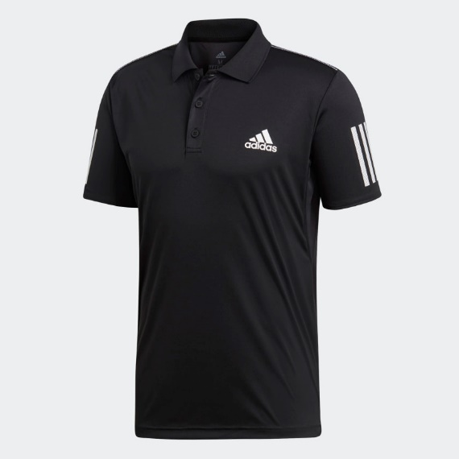

 |  |  |  | S | 60
 |  |  |  | M | 115
 | DU0848 | Adidas Originals Men's 3-Stipe Club Black Short Sleeve Polo | BLACK | L | 183
 |  |  |  | XL | 97
 |  |  |  | XXL | 17
 |  |  |  | Total: | 472

 |  |  |  | total | 6317

